Sheet1
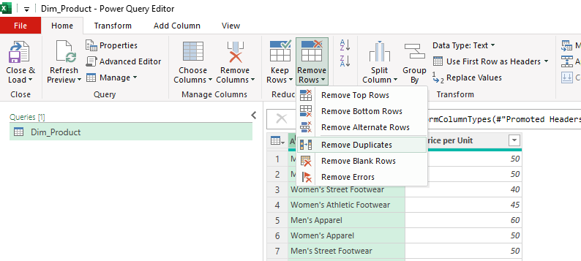
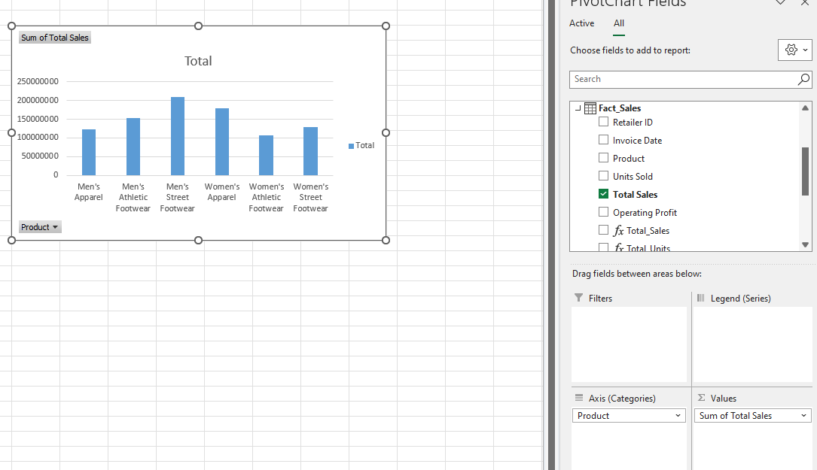
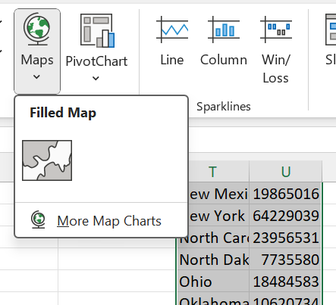

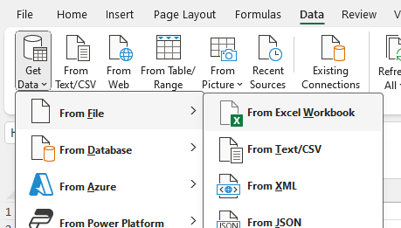

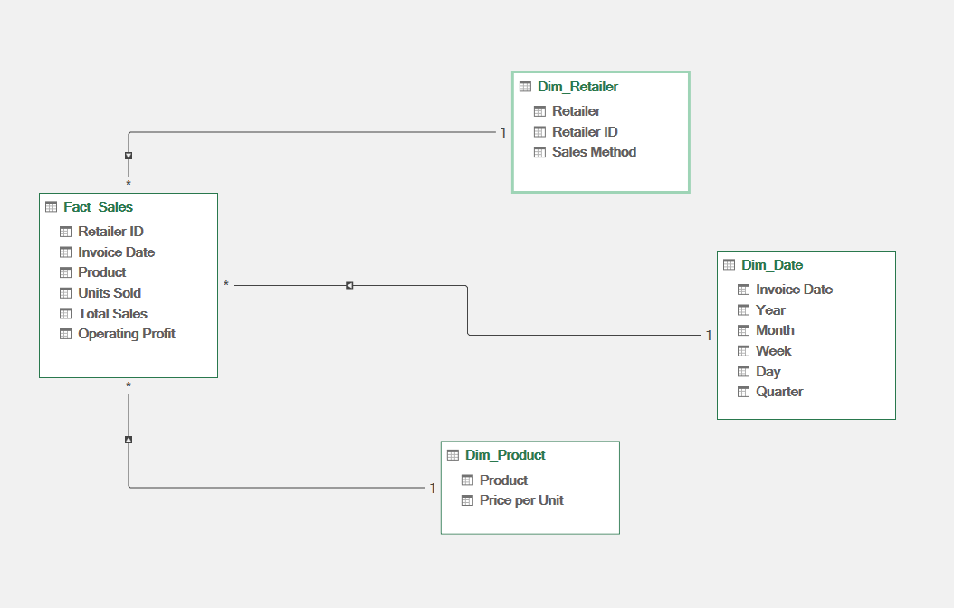

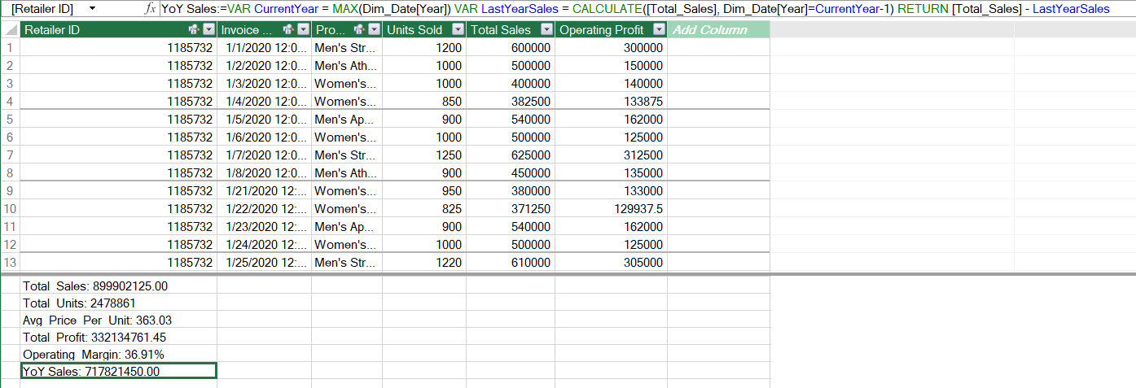

Dashboard
U.S. Adidas Sales Distribution (2020-21)

YoY SALES INCREASE
YoY SALES % GROWTH
TOTAL SALES
TOP 3 RETAILERS
SALES BY PRODUCT

$535,740,775
294.23%
$899,902,125
 | Total
Women's Athletic Footwear | 106631896
Men's Apparel | 123728632
Women's Street Footwear | 128002813
Men's Athletic Footwear | 153673680
Women's Apparel | 179038860
Men's Street Footwear | 208826244
1
West Gear
$242,964,333

MONTHLY SALES
 | Total
January | 16253746
February | 14997988
March | 17660577
April | 24607006
May | 16918014
June | 8829819
July | 17146013
August | 19877980
September | 18304436
October | 10836269
November | 8622300
December | 8026527
January | 55225396
February | 46102165
March | 39148532
April | 47732964
May | 63589681
June | 65917553
July | 78334681
August | 72288221
September | 59357023
October | 53074764
November | 59235040
December | 77815430
Foot Locker
2
$220,094,720

Sports Direct
3
$182,470,997

REGION
 | Total
Midwest | 135800459
Northeast | 186324067
South | 144663181
Southeast | 163171236
West | 269943182
SALES BY METHOD

 | Total
In-store | 356643750
Online | 247672882
Outlet | 295585493

